Assessment Breakdown

AI Readiness Assessment
Assessment Breakdown

Evaluation Category | Description
Use Case Clarity & Alignment | Assesses how clearly the AI use case is defined, including the business objective, success criteria, problem framing, and alignment with internal priorities. A well-scoped and aligned use case sets the foundation for efficient solution design and minimizes ambiguity during execution.
Dataset Accessibility & Suitability | Evaluates the availability, accessibility, and fitness of data required for the AI solution. Includes whether the data is structured, representative, privacy-compliant, and ready to be shared with an MLA for development purposes. Without suitable data, even well-defined use cases cannot be realized.
Infrastructure & Tooling Readiness | Measures the readiness of the technical environment needed to support development, testing, and deployment. Includes access to environments (cloud/on-prem), required tools (APIs, dashboards), and permissions. This ensures MLAs can begin work without major delays.
Execution Feasibility | Gauges whether the project is realistically scoped for the cohort timeline (4 months), with clear milestones, internal resource commitment, and organizational buy-in. It reflects whether the company is ready to execute efficiently once matched with an MLA.

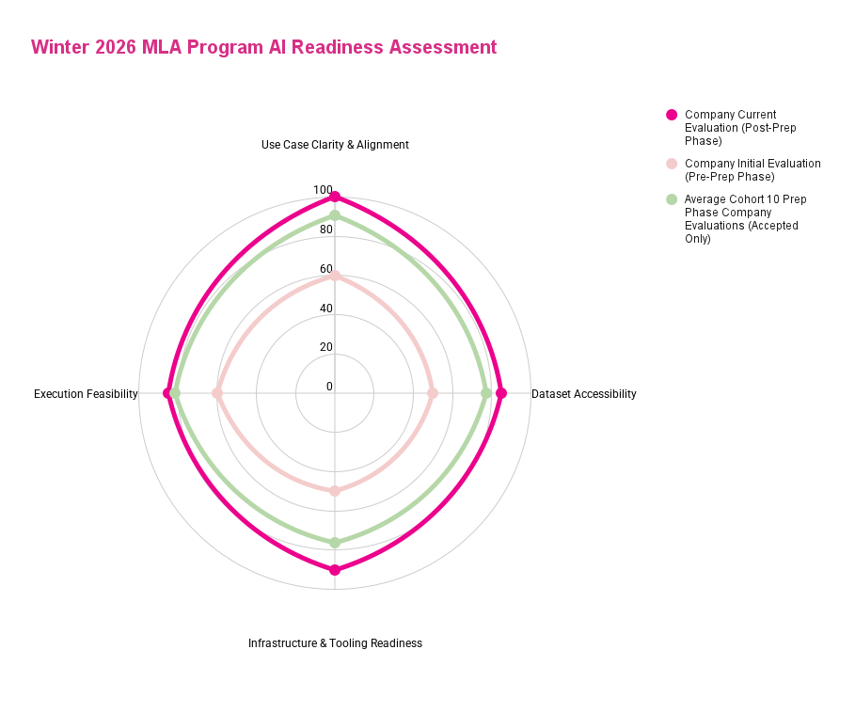
 | Level 0 | Level 1 | Level 2 | Level 3 | Level 4
Category | Misaligned (0 - 25) | Needs Development (25-50%) | Emerging (50-70%) | Mature (70-90%) | Very Mature (90–100%)
 | The company has serious gaps that will be unlikely to be addressed through the course of the readiness preparation phase | The company has significant gaps that may limit progress during execution unless addressed proactively. | The company has foundational elements in place but requires clear improvements to move toward maturity. | The company has strong readiness but could make minor adjustments to enhance execution or scalability. | The company is exceptionally well-prepared in this dimension. Minimal changes are required for readiness.
Use Case Clarity & Alignment | Use case is not aligned at all with cohort topic, and there is little to no path towards realignment | Use case is vague, too broad, or not aligned with business priorities. Confusion around problem statement or success metrics. Major refinement needed. | High-level use case is defined but lacks scope clarity, a tangible outcome, well-defined success metrics or strong alignment with business goals. Significant refinement needed. | Clearly articulated use case with good alignment to business needs, some outcome and success metrics defined; moderate refinement needed to make outcome narrow and achievable within the program, as well as tailored and specific success metrics. | Use case is laser-focused, measurable, business-aligned, and well-articulated across technical and non-technical teams. Little-to-no refinement needed.
Dataset Accessibility & Suitability | Data set is unavailable or has serious quantity or quality gaps which will prevent it from being usable by the MLAs | Data is available but is siloed, or inaccessible. Ownership unclear. Privacy, quantity, quality, or compliance risks are high. | Data exists and is partially accessible, but gaps exist in quantity, permissions, structure, or suitability. Company may need to share significant additional data, or ground truth annotations. | Relevant datasets are accessible and fairly clean; minor restructuring or permissions may be needed. | Fully accessible, high-quality datasets, structured and permissioned appropriately, with ownership and privacy compliance in place.
Infrastructure & Tooling Readiness | No AI/ML infrastructure in place and no path towards implementation before the program. | No AI/ML infrastructure with a path towards having it ready in time for the program. Limited awareness of tools, environments, or compute needed. | Basic tooling available. May require setup for AI work or clarification on team environments. | AI tooling, dev environments, and basic pipelines exist. Moderate upgrades or onboarding needed. | Company has mature MLOps practices, cloud/on-prem resources, DevOps support, and familiarity with Vector tooling guidance.
Execution Feasibility | No execution plan in place, and insufficient internal resources and support to achieve minimum objectives | No technical lead identified; resourcing, timelines, or roles unclear. Execution plan is vague or overly ambitious. | Roles and timelines partially scoped, but team lacks capacity or clarity. | Feasible execution plan with resourcing mostly in place; some dependencies or uncertainties remain. | Strong technical leadership, clear timeline, appropriate scope, and cross-functional commitment from the organization.

